Imidacloprid
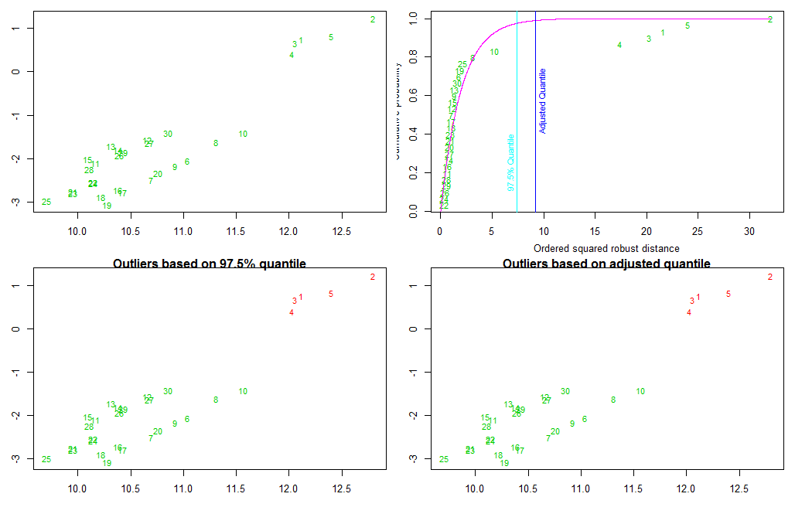
Imidacloprid | Species | app_rate_g_cm2 | Chemical | logAppFactor | logTissueConc | logSoilConc | logKow | logBCF | VapPrs_mPa | logkoc | HabFac | outliers | MD
1 | Barking treefrog | 5.58E-06 | Imidacloprid | 12.113084 | 0.0151715 | -0.7342891 | 0.57 | 0.7494606 | 2.00E-04 | 5.872118 | Arboreal | TRUE | 21.5665403
2 | Barking treefrog | 5.58E-06 | Imidacloprid | 12.797728 | 0.4923051 | -0.7342891 | 0.57 | 1.2265942 | 2.00E-04 | 5.872118 | Arboreal | TRUE | 32.04031
3 | Barking treefrog | 5.58E-06 | Imidacloprid | 12.057517 | -0.07677264 | -0.7342891 | 0.57 | 0.6575165 | 2.00E-04 | 5.872118 | Arboreal | TRUE | 20.2511483
4 | Barking treefrog | 5.58E-06 | Imidacloprid | 12.029363 | -0.33089912 | -0.7342891 | 0.57 | 0.40339 | 2.00E-04 | 5.872118 | Arboreal | TRUE | 17.378196
5 | Barking treefrog | 5.58E-06 | Imidacloprid | 12.399654 | 0.08529303 | -0.7342891 | 0.57 | 0.8195822 | 2.00E-04 | 5.872118 | Arboreal | TRUE | 24.0259662
6 | Barking treefrog | 5.69E-06 | Imidacloprid | 11.039197 | -1.10922426 | 0.942345 | 0.57 | -2.0515693 | 2.00E-04 | 5.872118 | Arboreal | FALSE | 1.7862487
7 | Barking treefrog | 5.69E-06 | Imidacloprid | 10.69127 | -1.55698525 | 0.942345 | 0.57 | -2.4993303 | 2.00E-04 | 5.872118 | Arboreal | FALSE | 1.0222222
8 | Barking treefrog | 5.69E-06 | Imidacloprid | 11.306415 | -0.67977088 | 0.942345 | 0.57 | -1.6221159 | 2.00E-04 | 5.872118 | Arboreal | FALSE | 3.1259823
9 | Barking treefrog | 5.69E-06 | Imidacloprid | 10.922466 | -1.22868756 | 0.942345 | 0.57 | -2.1710326 | 2.00E-04 | 5.872118 | Arboreal | FALSE | 1.3292812
10 | Barking treefrog | 5.69E-06 | Imidacloprid | 11.564515 | -0.47476868 | 0.942345 | 0.57 | -1.4171137 | 2.00E-04 | 5.872118 | Arboreal | FALSE | 5.1932569
11 | Cricket frog | 5.62E-06 | Imidacloprid | 10.164232 | -1.37352233 | 0.7286454 | 0.57 | -2.1021677 | 2.00E-04 | 5.872118 | Arboreal | FALSE | 0.6577896
12 | Cricket frog | 5.62E-06 | Imidacloprid | 10.65826 | -0.8329103 | 0.7286454 | 0.57 | -1.5615557 | 2.00E-04 | 5.872118 | Arboreal | FALSE | 1.1293544
13 | Cricket frog | 5.62E-06 | Imidacloprid | 10.313795 | -0.98828589 | 0.7286454 | 0.57 | -1.7169313 | 2.00E-04 | 5.872118 | Arboreal | FALSE | 1.3557026
14 | Cricket frog | 5.62E-06 | Imidacloprid | 10.378281 | -1.08040579 | 0.7286454 | 0.57 | -1.8090512 | 2.00E-04 | 5.872118 | Arboreal | FALSE | 0.7851831
15 | Cricket frog | 5.62E-06 | Imidacloprid | 10.095771 | -1.28747727 | 0.7286454 | 0.57 | -2.0161227 | 2.00E-04 | 5.872118 | Arboreal | FALSE | 1.2080624
16 | Gray treefrog | 5.66E-06 | Imidacloprid | 10.377587 | -1.66865609 | 1.0528673 | 0.57 | -2.7215234 | 2.00E-04 | 5.872118 | Arboreal | FALSE | 0.6792837
17 | Gray treefrog | 5.66E-06 | Imidacloprid | 10.420184 | -1.7333822 | 1.0528673 | 0.57 | -2.7862495 | 2.00E-04 | 5.872118 | Arboreal | FALSE | 1.0041987
18 | Gray treefrog | 5.66E-06 | Imidacloprid | 10.217298 | -1.84234723 | 1.0528673 | 0.57 | -2.8952145 | 2.00E-04 | 5.872118 | Arboreal | FALSE | 0.9971412
19 | Gray treefrog | 5.66E-06 | Imidacloprid | 10.276487 | -2.01708114 | 1.0528673 | 0.57 | -3.0699484 | 2.00E-04 | 5.872118 | Arboreal | FALSE | 1.8401735
20 | Gray treefrog | 5.66E-06 | Imidacloprid | 10.762484 | -1.28495245 | 1.0528673 | 0.57 | -2.3378197 | 2.00E-04 | 5.872118 | Arboreal | FALSE | 0.8952287
21 | Green treefrog | 5.76E-06 | Imidacloprid | 9.95347 | -2.05319988 | 0.7093343 | 0.57 | -2.7625342 | 2.00E-04 | 5.872118 | Arboreal | FALSE | 0.9282401
22 | Green treefrog | 5.76E-06 | Imidacloprid | 10.142212 | -1.83113097 | 0.7093343 | 0.57 | -2.5404653 | 2.00E-04 | 5.872118 | Arboreal | FALSE | 0.3166348
23 | Green treefrog | 5.76E-06 | Imidacloprid | 9.955088 | -2.08515737 | 0.7093343 | 0.57 | -2.7944917 | 2.00E-04 | 5.872118 | Arboreal | FALSE | 0.9628098
24 | Green treefrog | 5.76E-06 | Imidacloprid | 10.14329 | -1.86433028 | 0.7093343 | 0.57 | -2.5736646 | 2.00E-04 | 5.872118 | Arboreal | FALSE | 0.3372033
25 | Green treefrog | 5.76E-06 | Imidacloprid | 9.701162 | -2.26756454 | 0.7093343 | 0.57 | -2.9768989 | 2.00E-04 | 5.872118 | Arboreal | FALSE | 2.1231364
26 | Narrowmouth toad | 5.65E-06 | Imidacloprid | 10.394066 | -1.22078435 | 0.7053063 | 0.57 | -1.9260907 | 2.00E-04 | 5.872118 | Terrestrial | FALSE | 0.4139174
27 | Narrowmouth toad | 5.65E-06 | Imidacloprid | 10.680311 | -0.92637592 | 0.7053063 | 0.57 | -1.6316822 | 2.00E-04 | 5.872118 | Terrestrial | FALSE | 0.8919582
28 | Narrowmouth toad | 5.65E-06 | Imidacloprid | 10.10373 | -1.53963192 | 0.7053063 | 0.57 | -2.2449382 | 2.00E-04 | 5.872118 | Terrestrial | FALSE | 0.5934822
29 | Narrowmouth toad | 5.65E-06 | Imidacloprid | 10.429729 | -1.14002576 | 0.7053063 | 0.57 | -1.8453321 | 2.00E-04 | 5.872118 | Terrestrial | FALSE | 0.5515219
30 | Narrowmouth toad | 5.65E-06 | Imidacloprid | 10.855407 | -0.71204684 | 0.7053063 | 0.57 | -1.4173532 | 2.00E-04 | 5.872118 | Terrestrial | FALSE | 1.6382275

 |  |  |  |  |  |  |  |  |  |  |  |  |  | Adjusted Quantile Plot
 |  |  |  |  |  |  |  |  |  |  |  |  |  | The function aq.plot plots the ordered squared robust Mahalanobis distances of the observations against the empirical distribution function of the $MD^2_i$. In addition the distribution function of $chisq_p$ is plotted as well as two vertical lines corresponding to the chisq-quantile specified in the argument list (default is 0.975) and the so-called adjusted quantile. Three additional graphics are created (the first showing the data, the second showing the outliers detected by the specified quantile of the $chisq_p$ distribution and the third showing these detected outliers by the adjusted quantile).

Pendimethalin
 | Species | app_rate_g_cm2 | Chemical | HabFac | outliers | MD
1 | Barking treefrog | 2.00E-05 | Pendimethalin | Arboreal | FALSE | 0.65544547
2 | Barking treefrog | 2.00E-05 | Pendimethalin | Arboreal | FALSE | 0.92358398
3 | Barking treefrog | 2.00E-05 | Pendimethalin | Arboreal | FALSE | 0.74705641
4 | Barking treefrog | 2.00E-05 | Pendimethalin | Arboreal | FALSE | 1.52406918
5 | Barking treefrog | 2.00E-05 | Pendimethalin | Arboreal | FALSE | 0.35969223
6 | Barking treefrog | 1.98E-05 | Pendimethalin | Arboreal | FALSE | 0.56987918
7 | Barking treefrog | 1.98E-05 | Pendimethalin | Arboreal | FALSE | 0.77080199
8 | Barking treefrog | 1.98E-05 | Pendimethalin | Arboreal | FALSE | 0.68023588
9 | Barking treefrog | 1.98E-05 | Pendimethalin | Arboreal | FALSE | 0.94217688
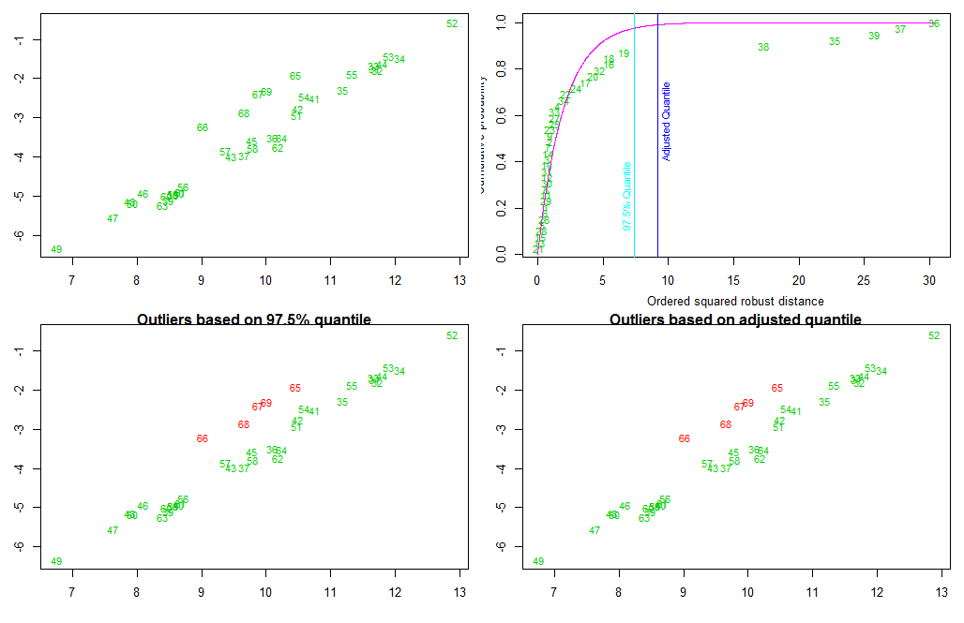
10 | Barking treefrog | 1.98E-05 | Pendimethalin | Arboreal | FALSE | 0.74620277
11 | Fowlers toad | 1.99E-05 | Pendimethalin | Terrestrial | FALSE | 0.66182194
12 | Fowlers toad | 1.99E-05 | Pendimethalin | Terrestrial | FALSE | 0.74249689
13 | Fowlers toad | 1.99E-05 | Pendimethalin | Terrestrial | FALSE | 0.11947445
14 | Fowlers toad | 1.99E-05 | Pendimethalin | Terrestrial | FALSE | 0.76185157
15 | Fowlers toad | 1.99E-05 | Pendimethalin | Terrestrial | FALSE | 0.22243722
16 | Gray treefrog | 1.99E-05 | Pendimethalin | Arboreal | FALSE | 5.42790313
17 | Gray treefrog | 1.99E-05 | Pendimethalin | Arboreal | FALSE | 3.67896233
18 | Gray treefrog | 1.99E-05 | Pendimethalin | Arboreal | FALSE | 5.48772366
19 | Gray treefrog | 1.99E-05 | Pendimethalin | Arboreal | FALSE | 6.61623272
20 | Gray treefrog | 1.99E-05 | Pendimethalin | Arboreal | FALSE | 4.22500436
21 | Green treefrog | 2.00E-05 | Pendimethalin | Arboreal | FALSE | 0.04956062
22 | Green treefrog | 2.00E-05 | Pendimethalin | Arboreal | FALSE | 2.16626726
23 | Green treefrog | 2.00E-05 | Pendimethalin | Arboreal | FALSE | 0.9711076
24 | Green treefrog | 2.00E-05 | Pendimethalin | Arboreal | FALSE | 2.93269967
25 | Green treefrog | 2.00E-05 | Pendimethalin | Arboreal | FALSE | 1.29496882
26 | Green treefrog | 1.99E-05 | Pendimethalin | Arboreal | FALSE | 0.50922634
27 | Green treefrog | 1.99E-05 | Pendimethalin | Arboreal | FALSE | 1.29688435
28 | Green treefrog | 1.99E-05 | Pendimethalin | Arboreal | FALSE | 0.3015856
29 | Green treefrog | 1.99E-05 | Pendimethalin | Arboreal | FALSE | 0.66141003
30 | Green treefrog | 1.99E-05 | Pendimethalin | Arboreal | FALSE | 0.71263349
31 | Leopard frog | 2.00E-05 | Pendimethalin | Aquatic | FALSE | 0.74303734
32 | Leopard frog | 2.00E-05 | Pendimethalin | Aquatic | FALSE | 4.77584555
33 | Leopard frog | 2.00E-05 | Pendimethalin | Aquatic | FALSE | 1.32771525
34 | Leopard frog | 2.00E-05 | Pendimethalin | Aquatic | FALSE | 2.04486637
35 | Mole salamander | 2.02E-05 | Pendimethalin | Terrestrial | TRUE | 22.79292341
36 | Mole salamander | 2.02E-05 | Pendimethalin | Terrestrial | TRUE | 30.38109895
37 | Mole salamander | 2.02E-05 | Pendimethalin | Terrestrial | TRUE | 27.81819864
38 | Mole salamander | 2.02E-05 | Pendimethalin | Terrestrial | TRUE | 17.32651295
39 | Mole salamander | 2.02E-05 | Pendimethalin | Terrestrial | TRUE | 25.78012083

Total Atrazine
 | Species | app_rate_g_cm2 | Chemical | HabFac | outliers | MD
1 | Barking treefrog | 2.30E-05 | Total Atrazine | Arboreal | FALSE | 2.61E+00
2 | Barking treefrog | 2.30E-05 | Total Atrazine | Arboreal | FALSE | 7.16E-01
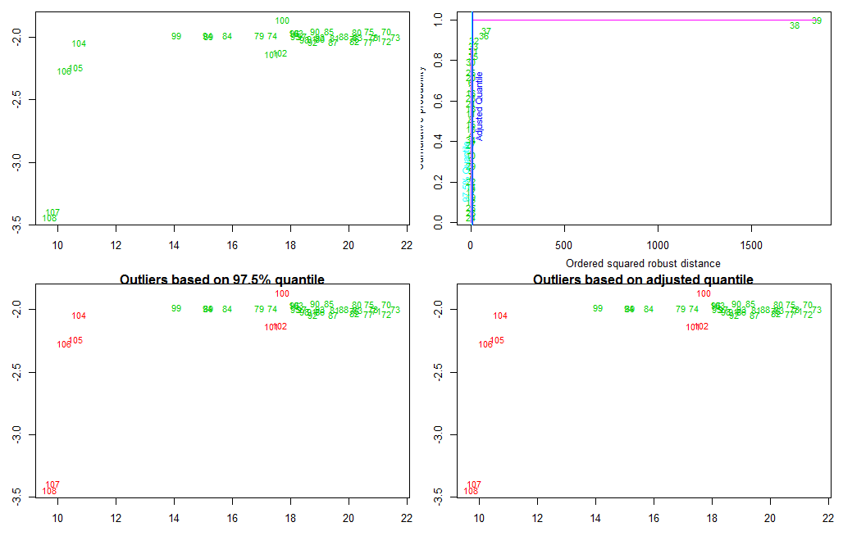
3 | Barking treefrog | 2.30E-05 | Total Atrazine | Arboreal | FALSE | 1.90E+00
4 | Barking treefrog | 2.30E-05 | Total Atrazine | Arboreal | FALSE | 1.13E+00
5 | Barking treefrog | 2.30E-05 | Total Atrazine | Arboreal | FALSE | 3.78E-01
6 | Barking treefrog | 2.30E-05 | Total Atrazine | Arboreal | FALSE | 2.16E+00
7 | Barking treefrog | 2.30E-05 | Total Atrazine | Arboreal | FALSE | 3.59E-01
8 | Barking treefrog | 2.30E-05 | Total Atrazine | Arboreal | FALSE | 1.60E+00
9 | Barking treefrog | 2.30E-05 | Total Atrazine | Arboreal | FALSE | 5.71E-01
10 | Barking treefrog | 2.30E-05 | Total Atrazine | Arboreal | FALSE | 6.35E-01
11 | Fowlers toad | 2.28E-05 | Total Atrazine | Terrestrial | FALSE | 1.62E+00
12 | Fowlers toad | 2.28E-05 | Total Atrazine | Terrestrial | FALSE | 1.12E-01
13 | Fowlers toad | 2.28E-05 | Total Atrazine | Terrestrial | FALSE | 1.22E+00
14 | Fowlers toad | 2.28E-05 | Total Atrazine | Terrestrial | FALSE | 3.02E-01
15 | Fowlers toad | 2.28E-05 | Total Atrazine | Terrestrial | FALSE | 1.51E+00
16 | Gray treefrog | 2.31E-05 | Total Atrazine | Arboreal | FALSE | 1.80E+00
17 | Gray treefrog | 2.31E-05 | Total Atrazine | Arboreal | FALSE | 2.96E-01
18 | Gray treefrog | 2.31E-05 | Total Atrazine | Arboreal | FALSE | 1.63E+00
19 | Gray treefrog | 2.31E-05 | Total Atrazine | Arboreal | FALSE | 1.30E-01
20 | Gray treefrog | 2.31E-05 | Total Atrazine | Arboreal | FALSE | 2.21E+00
21 | Green treefrog | 2.31E-05 | Total Atrazine | Arboreal | FALSE | 1.68E+00
22 | Green treefrog | 2.31E-05 | Total Atrazine | Arboreal | FALSE | 3.31E-01
23 | Green treefrog | 2.31E-05 | Total Atrazine | Arboreal | FALSE | 1.79E+00
24 | Green treefrog | 2.31E-05 | Total Atrazine | Arboreal | FALSE | 1.99E-03
25 | Green treefrog | 2.31E-05 | Total Atrazine | Arboreal | FALSE | 2.22E+00
26 | Green treefrog | 2.30E-05 | Total Atrazine | Arboreal | FALSE | 9.44E-02
27 | Green treefrog | 2.30E-05 | Total Atrazine | Arboreal | FALSE | 7.44E-01
28 | Green treefrog | 2.30E-05 | Total Atrazine | Arboreal | FALSE | 4.48E-02
29 | Green treefrog | 2.30E-05 | Total Atrazine | Arboreal | FALSE | 4.40E-01
30 | Green treefrog | 2.30E-05 | Total Atrazine | Arboreal | FALSE | 3.68E+00
31 | Leopard frog | 2.31E-05 | Total Atrazine | Aquatic | TRUE | 1.49E+01
32 | Leopard frog | 2.28E-05 | Total Atrazine | Aquatic | TRUE | 1.82E+01
33 | Leopard frog | 2.28E-05 | Total Atrazine | Aquatic | TRUE | 1.54E+01
34 | Leopard frog | 2.28E-05 | Total Atrazine | Aquatic | FALSE | 8.32E-01
35 | Mole salamander | 2.30E-05 | Total Atrazine | Terrestrial | TRUE | 1.43E+01
36 | Mole salamander | 2.30E-05 | Total Atrazine | Terrestrial | TRUE | 6.99E+01
37 | Mole salamander | 2.30E-05 | Total Atrazine | Terrestrial | TRUE | 8.59E+01
38 | Mole salamander | 2.32E-05 | Total Atrazine | Terrestrial | TRUE | 1.73E+03
39 | Mole salamander | 2.32E-05 | Total Atrazine | Terrestrial | TRUE | 1.85E+03

Total Fipronil
 | Species | app_rate_g_cm2 | Chemical | HabFac | outliers | MD
1 | Barking treefrog | 1.11E-06 | Total Fipronil | Arboreal | FALSE | 1.0221531
2 | Barking treefrog | 1.11E-06 | Total Fipronil | Arboreal | FALSE | 1.8395941
3 | Barking treefrog | 1.11E-06 | Total Fipronil | Arboreal | FALSE | 1.7620865
4 | Barking treefrog | 1.11E-06 | Total Fipronil | Arboreal | FALSE | 1.6595783
5 | Barking treefrog | 1.11E-06 | Total Fipronil | Arboreal | FALSE | 1.3421073
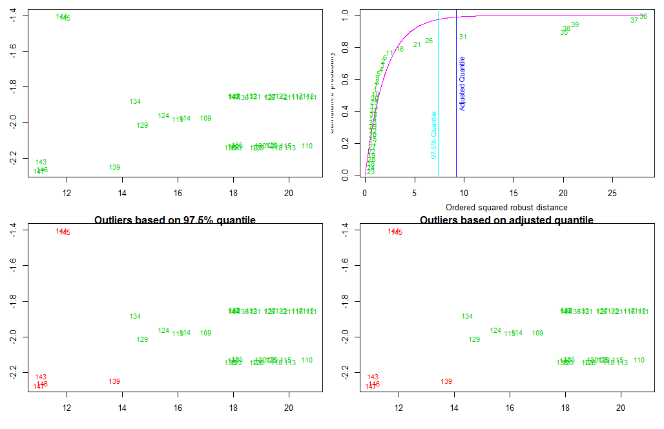
6 | Barking treefrog | 1.12E-06 | Total Fipronil | Arboreal | FALSE | 2.0517037
7 | Barking treefrog | 1.12E-06 | Total Fipronil | Arboreal | FALSE | 1.0882988
8 | Barking treefrog | 1.12E-06 | Total Fipronil | Arboreal | FALSE | 1.2110482
9 | Barking treefrog | 1.12E-06 | Total Fipronil | Arboreal | FALSE | 1.236908
10 | Barking treefrog | 1.12E-06 | Total Fipronil | Arboreal | FALSE | 1.0154517
11 | Fowlers toad | 1.14E-06 | Total Fipronil | Terrestrial | FALSE | 2.4822199
12 | Fowlers toad | 1.14E-06 | Total Fipronil | Terrestrial | FALSE | 0.7956477
13 | Fowlers toad | 1.14E-06 | Total Fipronil | Terrestrial | FALSE | 0.8904988
14 | Fowlers toad | 1.14E-06 | Total Fipronil | Terrestrial | FALSE | 0.8159976
15 | Fowlers toad | 1.14E-06 | Total Fipronil | Terrestrial | FALSE | 0.7853242
16 | Gray treefrog | 1.05E-06 | Total Fipronil | Arboreal | FALSE | 3.4975801
17 | Gray treefrog | 1.05E-06 | Total Fipronil | Arboreal | FALSE | 0.7750914
18 | Gray treefrog | 1.05E-06 | Total Fipronil | Arboreal | FALSE | 0.6147641
19 | Gray treefrog | 1.05E-06 | Total Fipronil | Arboreal | FALSE | 0.6561569
20 | Gray treefrog | 1.05E-06 | Total Fipronil | Arboreal | FALSE | 0.7928477
21 | Green treefrog | 1.06E-06 | Total Fipronil | Arboreal | FALSE | 5.2540347
22 | Green treefrog | 1.06E-06 | Total Fipronil | Arboreal | FALSE | 0.6818916
23 | Green treefrog | 1.06E-06 | Total Fipronil | Arboreal | FALSE | 0.564017
24 | Green treefrog | 1.06E-06 | Total Fipronil | Arboreal | FALSE | 0.6113643
25 | Green treefrog | 1.06E-06 | Total Fipronil | Arboreal | FALSE | 0.9085542
26 | Green treefrog | 1.06E-06 | Total Fipronil | Arboreal | FALSE | 6.4543947
27 | Green treefrog | 1.06E-06 | Total Fipronil | Arboreal | FALSE | 0.7271301
28 | Green treefrog | 1.06E-06 | Total Fipronil | Arboreal | FALSE | 0.6326555
29 | Green treefrog | 1.06E-06 | Total Fipronil | Arboreal | FALSE | 0.7983391
30 | Green treefrog | 1.06E-06 | Total Fipronil | Arboreal | FALSE | 1.0000142
31 | Leopard frog | 1.12E-06 | Total Fipronil | Aquatic | TRUE | 9.9199334
32 | Leopard frog | 1.12E-06 | Total Fipronil | Aquatic | FALSE | 0.8526823
33 | Leopard frog | 1.12E-06 | Total Fipronil | Aquatic | FALSE | 0.8120414
34 | Leopard frog | 1.12E-06 | Total Fipronil | Aquatic | FALSE | 0.8307
35 | Mole salamander | 1.05E-06 | Total Fipronil | Terrestrial | TRUE | 20.0873068
36 | Mole salamander | 1.05E-06 | Total Fipronil | Terrestrial | TRUE | 28.1135386
37 | Mole salamander | 1.05E-06 | Total Fipronil | Terrestrial | TRUE | 27.2191217
38 | Mole salamander | 1.05E-06 | Total Fipronil | Terrestrial | TRUE | 20.351577
39 | Mole salamander | 1.05E-06 | Total Fipronil | Terrestrial | TRUE | 21.1963133

Total Triadimefon
 | Species | app_rate_g_cm2 | Chemical | HabFac | outliers | MD
1 | Barking treefrog | 2.85E-06 | Total Triadimefon | Arboreal | FALSE | 1.52357535
2 | Barking treefrog | 2.85E-06 | Total Triadimefon | Arboreal | FALSE | 2.29819167
3 | Barking treefrog | 2.85E-06 | Total Triadimefon | Arboreal | FALSE | 2.23216324
4 | Barking treefrog | 2.85E-06 | Total Triadimefon | Arboreal | FALSE | 1.5605301
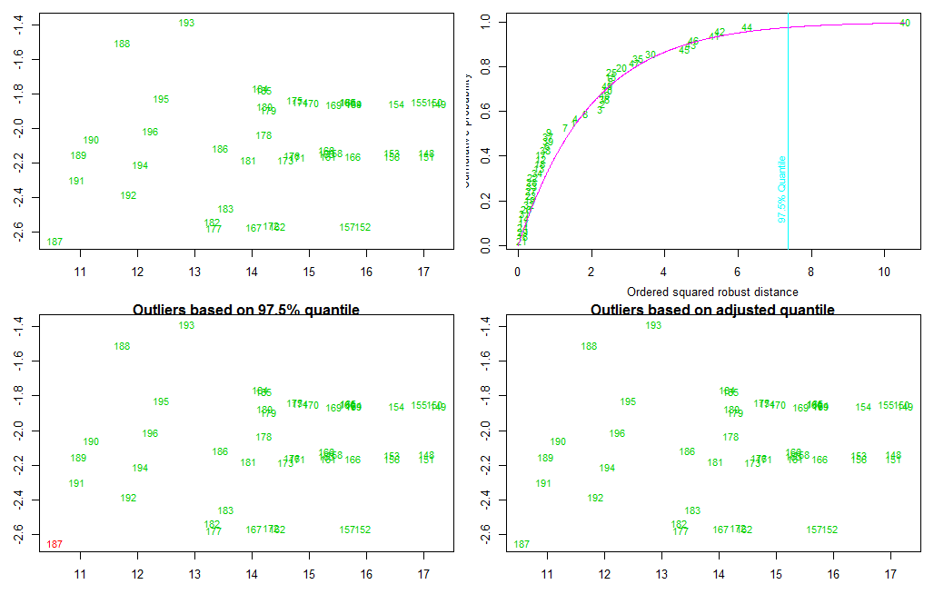
5 | Barking treefrog | 2.85E-06 | Total Triadimefon | Arboreal | FALSE | 2.53160723
6 | Barking treefrog | 2.79E-06 | Total Triadimefon | Arboreal | FALSE | 0.80130746
7 | Barking treefrog | 2.79E-06 | Total Triadimefon | Arboreal | FALSE | 1.2849819
8 | Barking treefrog | 2.79E-06 | Total Triadimefon | Arboreal | FALSE | 1.83931673
9 | Barking treefrog | 2.79E-06 | Total Triadimefon | Arboreal | FALSE | 0.83274949
10 | Barking treefrog | 2.79E-06 | Total Triadimefon | Arboreal | FALSE | 2.42690575
11 | Cricket frog | 2.79E-06 | Total Triadimefon | Aquatic | FALSE | 0.1475013
12 | Cricket frog | 2.79E-06 | Total Triadimefon | Aquatic | FALSE | 0.61115326
13 | Cricket frog | 2.79E-06 | Total Triadimefon | Aquatic | FALSE | 0.58321137
14 | Cricket frog | 2.79E-06 | Total Triadimefon | Aquatic | FALSE | 0.16185693
15 | Cricket frog | 2.79E-06 | Total Triadimefon | Aquatic | FALSE | 2.53533565
16 | Fowlers toad | 2.74E-06 | Total Triadimefon | Terrestrial | FALSE | 0.12472861
17 | Fowlers toad | 2.74E-06 | Total Triadimefon | Terrestrial | FALSE | 0.62203371
18 | Fowlers toad | 2.74E-06 | Total Triadimefon | Terrestrial | FALSE | 0.60627933
19 | Fowlers toad | 2.74E-06 | Total Triadimefon | Terrestrial | FALSE | 0.31919199 | Defining the Mahalanobis distance
20 | Fowlers toad | 2.74E-06 | Total Triadimefon | Terrestrial | FALSE | 2.81919254 | You can use the probability contours to define the Mahalanobis distance. The Mahalanobis distance has the following properties:
21 | Gray treefrog | 2.78E-06 | Total Triadimefon | Arboreal | FALSE | 0.09047135
22 | Gray treefrog | 2.78E-06 | Total Triadimefon | Arboreal | FALSE | 0.40889642 | It accounts for the fact that the variances in each direction are different.
23 | Gray treefrog | 2.78E-06 | Total Triadimefon | Arboreal | FALSE | 0.34490134 | It accounts for the covariance between variables.
24 | Gray treefrog | 2.78E-06 | Total Triadimefon | Arboreal | FALSE | 0.13740046 | It reduces to the familiar Euclidean distance for uncorrelated variables with unit variance.
25 | Gray treefrog | 2.78E-06 | Total Triadimefon | Arboreal | FALSE | 2.55486952 | For univariate normal data, the univariate z-score standardizes the distribution (so that it has mean 0 and unit variance) and gives a dimensionless quantity that specifies the distance from an observation to the mean in terms of the scale of the data. For multivariate normal data with mean ? and covariance matrix S, you can decorrelate the variables and standardize the distribution by applying the Cholesky transformation z = L-1(x - ?), where L is the Cholesky factor of S, S=LLT.
26 | Green treefrog | 2.79E-06 | Total Triadimefon | Arboreal | FALSE | 0.21732219
27 | Green treefrog | 2.79E-06 | Total Triadimefon | Arboreal | FALSE | 0.35245868
28 | Green treefrog | 2.79E-06 | Total Triadimefon | Arboreal | FALSE | 0.38297606
29 | Green treefrog | 2.79E-06 | Total Triadimefon | Arboreal | FALSE | 0.13157953
30 | Green treefrog | 2.79E-06 | Total Triadimefon | Arboreal | FALSE | 3.62403793
31 | Green treefrog | 2.71E-06 | Total Triadimefon | Arboreal | FALSE | 0.17015111
32 | Green treefrog | 2.71E-06 | Total Triadimefon | Arboreal | FALSE | 0.29844618
33 | Green treefrog | 2.71E-06 | Total Triadimefon | Arboreal | FALSE | 0.38157714
34 | Green treefrog | 2.71E-06 | Total Triadimefon | Arboreal | FALSE | 0.53157493
35 | Green treefrog | 2.71E-06 | Total Triadimefon | Arboreal | FALSE | 3.27705922
36 | Leopard frog | 2.81E-06 | Total Triadimefon | Aquatic | FALSE | 2.34888914
37 | Leopard frog | 2.81E-06 | Total Triadimefon | Aquatic | FALSE | 0.80958627
38 | Leopard frog | 2.81E-06 | Total Triadimefon | Aquatic | FALSE | 0.73847
39 | Leopard frog | 2.81E-06 | Total Triadimefon | Aquatic | FALSE | 0.80750464
40 | Mole salamander | 2.87E-06 | Total Triadimefon | Terrestrial | FALSE | 10.57034631
41 | Mole salamander | 2.87E-06 | Total Triadimefon | Terrestrial | FALSE | 5.36338634
42 | Mole salamander | 2.87E-06 | Total Triadimefon | Terrestrial | FALSE | 5.50260924
43 | Mole salamander | 2.87E-06 | Total Triadimefon | Terrestrial | FALSE | 4.70309219
44 | Mole salamander | 2.87E-06 | Total Triadimefon | Terrestrial | FALSE | 6.25888504
45 | Narrowmouth toad | 2.72E-06 | Total Triadimefon | Terrestrial | FALSE | 4.54880675
46 | Narrowmouth toad | 2.72E-06 | Total Triadimefon | Terrestrial | FALSE | 4.77973984
47 | Narrowmouth toad | 2.72E-06 | Total Triadimefon | Terrestrial | FALSE | 3.18207441
48 | Narrowmouth toad | 2.72E-06 | Total Triadimefon | Terrestrial | FALSE | 2.35316461
49 | Narrowmouth toad | 2.72E-06 | Total Triadimefon | Terrestrial | FALSE | 2.43487123

